Deuda Financiera
Financial Debt Th$ | Currency | Total | 12 months | 1 to 3 years | 3 to 5 years | More than 5 years
Promissory Notes | $ | 186,520,927 | 13,693,095 | 28,947,449 | 48,315,756 | 95,564,627 | Fixed | 87% | 851,128,480 | 19%
Bonds | $ | 664,607,553 | 21,131,727 | 30,298,015 | 33,689,984 | 579,487,827 | Variable | 13% | 125,567,494 | 68%
Loans | $ | 124,135,364 | 31,616,155 | 41,544,976 | 37,699,562 | 13,274,671 |  | 100% |  | 13%
Lease Liabilities | $ | 1,432,130 | 859,917 | 507,469 | 59,643 | 5,101 |  |  |  | 0%
Total |  | 976,695,974 | 67,300,894 | 101,297,909 | 119,764,945 | 688,332,226

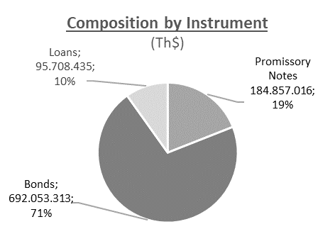
 | 1
Composition by instrument (Th$)
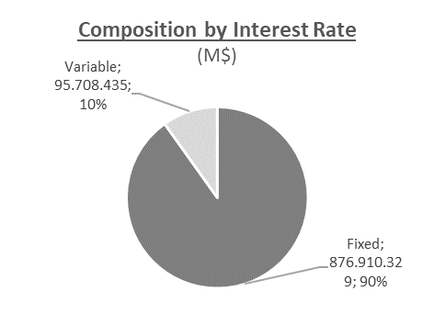
Composition by Interest Rate (Th$)

