Deuda Financiera
Financial Debt Th$ | Currency | Total | 12 months | 1 to 3 years | 3 to 5 years | More than 5 years
Promissory Notes | $ | 188,456,199 | 15,614,344 | 25,274,431 | 49,108,426 | 98,458,998
Bonds | $ | 661,997,440 | 15,037,330 | 25,124,933 | 37,130,126 | 584,705,051
Loans | $ | 96,022,856 | 3,503,647 | 41,544,976 | 37,699,562 | 13,274,671
Total |  | 946,476,495 | 66,312,217 | 85,636,748 | 123,694,511 | 696,975,290

Composición por instrumento |  |  |  | Composición por tasas
Promissory Notes | 20% | 188,456,199 |  | Fija | 90% | 850,453,639
Bonds | 70% | 661,997,440 |  | Fixed | 10% | 96,022,856
Loans | 10% | 96,022,856 |  |  | 100%
 | 100.0% |  |  |  | 200%

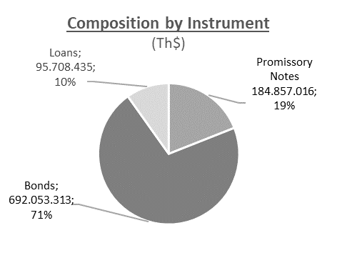
Composition by instrument (Th$)
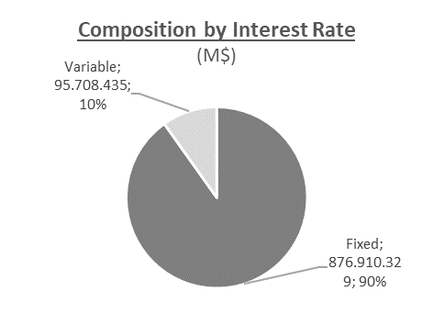
Composition by Interest Rate (Th$)

